config
Step 1 | Add config cho filter encoding vào project <- lấy ở folder config đính kèm

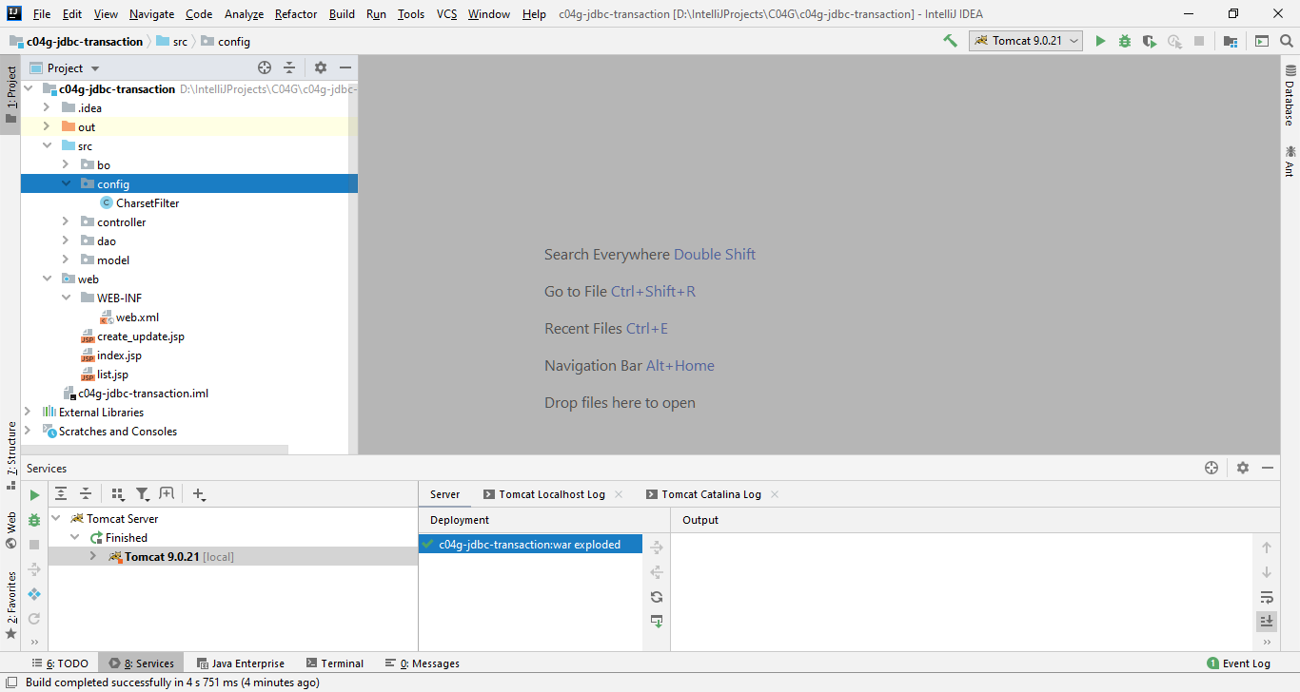

Step 2 | Add config như bên dưới cho file web.xml

 | <?xml version="1.0" encoding="UTF-8"?>
 | <web-app xmlns="http://xmlns.jcp.org/xml/ns/javaee"
 | xmlns:xsi="http://www.w3.org/2001/XMLSchema-instance"
 | xsi:schemaLocation="http://xmlns.jcp.org/xml/ns/javaee http://xmlns.jcp.org/xml/ns/javaee/web-app_4_0.xsd"
 | version="4.0">
 | <filter>
 | <filter-name>CharsetFilter</filter-name>
 | <filter-class>config.CharsetFilter</filter-class>
 | <init-param>
 | <param-name>requestEncoding</param-name>
 | <param-value>UTF-8</param-value>
 | </init-param>
 | </filter>

 | <filter-mapping>
 | <filter-name>CharsetFilter</filter-name>
 | <url-pattern>/*</url-pattern>
 | </filter-mapping>
 | </web-app>

Step 3 | Add config như bên dưới cho file build.gradle

 | tasks.withType(JavaCompile) { options.encoding = 'UTF-8'}

